Sheet1
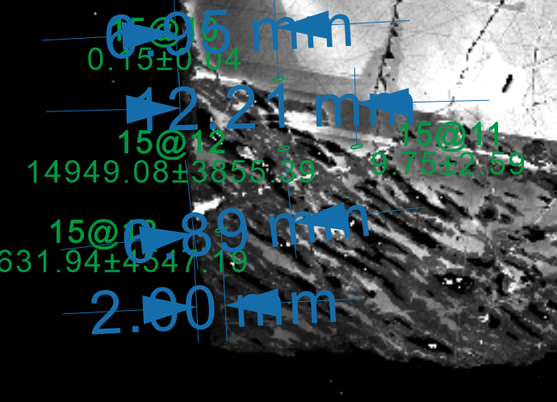
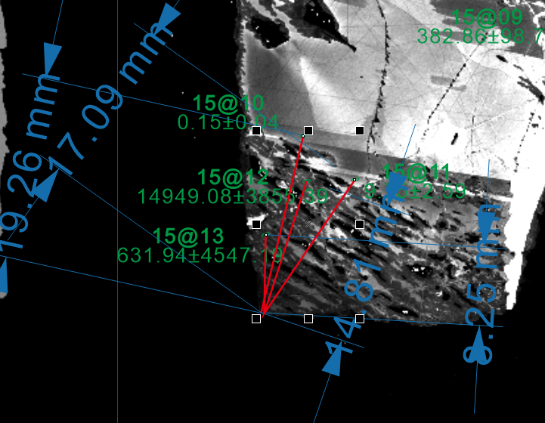
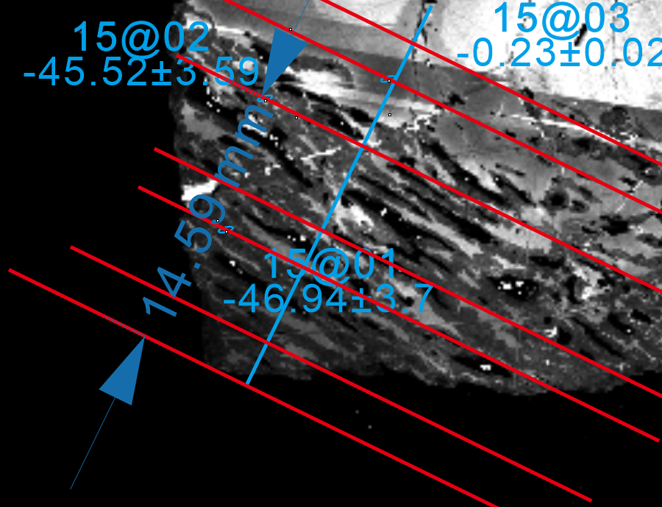
 | d29Si | SE(Prop) | Distance from edge CDR unit | Distance from reaction front CDR unit | distance from cube corner | length in μm | lenth of 5μm CDR unit
Si_15@1.asc | 20051.25 | 5171.12 | 1.05 |  | 9.94 | 153.40 | 0.324 | 153.39506173
Si_15@2.asc | 159.70 | 41.19 | 6.61 |  | 14.54 | 224.38 | 0.324 | 224.38271605
Si_15@3.asc | 1.37 | 0.35 | 12.47 | 16.83 | 18.42 | 284.26 | 0.324 | 284.25925926
Si_15@4.asc | 0.95 | 0.24 | 17.31 | 17.86 | 23.14 | 357.10 | 0.324 | 357.09876543
Si_15@5.asc | 0.20 | 0.05 |  |  |  |  | 0.324
Si_15@6.asc | -0.26 | 0.07 |  |  |  |  | 0.324
Si_15@7.asc | 2.30 | 0.60 |  |  |  |  | 0.324
Si_15@8.asc | 245.32 | 63.32 | 4.42 |  |  |  | 0.324
Si_15@9.asc | 382.86 | 98.74 | 6.77 |  |  |  | 0.324
Si_15@10.asc | 0.15 | 0.04 | 6.66 | 19.24 | 18.69 | 288.43 | 0.324 | 288.42592593
Si_15@11.asc | 9.75 | 2.59 | 11.92 | 17.01 | 16.88 | 260.49 | 0.324 | 260.49382716
Si_15@12.asc | 14949.08 | 3855.39 | 6.89 | 14.72 | 14.43 | 222.69 | 0.324 | 222.68518519
Si_15@13.asc | 17631.94 | 4547.19 | 2.08 | 8.29 | 7.54 | 116.36 | 0.324 | 116.35802469

 | d18O | SE(Prop)
15@1.asc | -71.7 | 3.7 | 2.56 | 7.57 | 7.19 | 110.96 | 0.324 | 110.95679012
15@2.asc | -70.4 | 3.6 | 5.37 | 15.15 | 14.59 | 225.15 | 0.324 | 225.15432099
15@3.asc | -26.2 | 0.0 | 12.08 | 18.78 | 18.51 | 285.65 | 0.324 | 285.64814815
15@4.asc | -27.1 | 0.1 | 9.53 | 21.38 | 20.86 | 321.91 | 0.324 | 321.91358025
15@5.asc | -31.6 | 0.5 |  |  |  |  | 0.324
15@6.asc | -29.3 | 0.3 |  |  |  |  | 0.324
15@7.asc | -26.8 | 0.1 |  |  |  |  | 0.324
15@8.asc | -55.1 | 2.4 |  |  |  |  | 0.324
15@9.asc | -29.3 | 0.3 |  |  |  |  | 0.324
15@10.asc | -73.4 | 3.8 | 1.85 |  | 11.26 | 173.77 | 0.324 | 173.7654321
15@11.asc | -27.5 | 0.1 | 7.2 |  | 18.42 | 284.26 | 0.324 | 284.25925926

Example for distance from edge |  |  |  | Example for distance from reaction front |  | distance from cube corner

Plots
Metamict ZrSiO₄
Replacement
zone
Reaction
front
Distance from cube corner (um) | d29Si |  | Distance from cube corner (um) | d18O
153.39506173 | 20051.252353 | 15@1.asc | 110.95679012 | -46.9
224.38271605 | 159.70438522 | 15@2.asc | 225.15432099 | -45.5
284.25925926 | 1.369879041 | 15@3.asc | 285.64814815 | -0.2
357.09876543 | 0.94728139296 | 15@4.asc | 321.91358025 | -1.1
288.42592593 | 0.15414133503 | 15@10.asc | 173.7654321 | -48.7
260.49382716 | 9.7465632705 | 15@11.asc | 284.25925926 | -1.5
222.68518519 | 14949.084377 | 15@5.asc | 616.98 | -5.7
116.35802469 | 17631.93804 | 15@6.asc | 666.82 | -3.3
572.99 | 0.20 | 15@7.asc | 710.19 | -0.8
595.06 | 2.30 | 15@8.asc | 755.25 | -29.9
751.23 | 245.32 | 15@9.asc | 793.36 | -3.3
654.78 | 382.86

Replacement
zone
Metamict ZrSiO₄
Reaction front

